ALL Teacher Overview
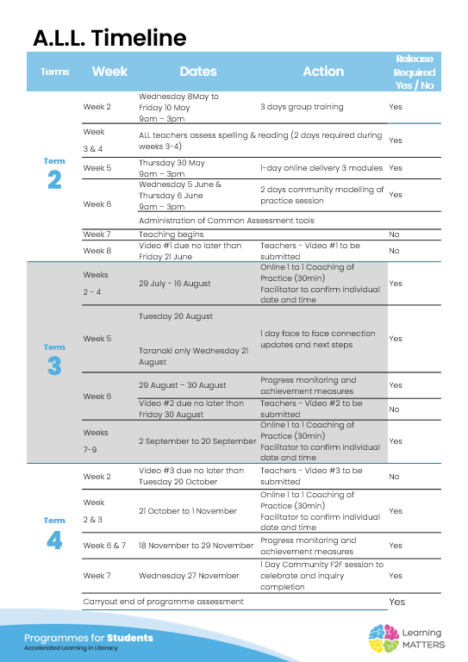

Roadmap
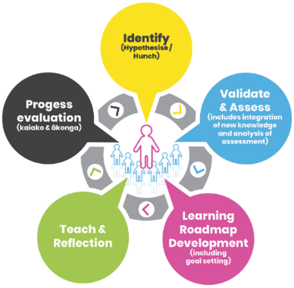 |  | The Inquiry cycle understood …
 |  | Hunch | What do you suspect is the cause of literacy underachievement? The students have not had enough time at school yet to have learned all that they need . ESOL is an aspect for some. Speech patterns can also be a problem when the students do not say the words correctly and therefore do not hear all of the sounds in the words . We need to do ,more work on rhyme, listening to beginning sounds and cementing them together for written work.
 |  | Validate and Assess | Once you have completed all assessments has your hunch been validated and or is further assessment or knowledge building necessary? validated
 |  | Roadmap Actions | Now you have greater knowledge and relevant assessment findings what steps will you take? continue to teach phonemes and morphemes in structured and sequential way. do more decode, encode, decode with whole class as well as with group work, comtinue with rhyming activities and using decodable texts in reading/literacy rotation. Begin at Sid the spider 4
 |  | Goal Setting | Write a goal for you as the teacher that reflects your aspirations to continue to improve both knowledge and practice and also a goal for your group of students. Continue to build my teaching knowledge and skill to teach in a structured and sequential way. Use the ideal website to help with resources and lesson sequencing. Students will improve their cvc word work and move to ccvc - use initial blends.
 |  | Teaching | What will the key components of your teaching sessions include for this group of Tier 2 students?phonological awareness activitiy; decode ,encode, decode(alphabet): reading words - vc, cvc; writing words,
 |  | Reflection | You will be required to reflect throughout your roadmap at regular intervals, particularly after observations and coaching sessions.
 |  | Progress evaluation | At the beginning of Term 3 and again at the end of term 4 you will evaluate the progress both you and your students have made.

Roadmap for implementation and tracking progress and actions
Now use the information and reflections above to map out your roadmap and set goals for your inquiry. ALL participants will be required to keep a journal of their progress and actions. This will assist in monitoring achievements and progress towards teacher and student goals.
Term 2 Goal Setting
Teacher goal |  | *set up literacy groups and routines for the spelling and reading sessions
Student outcome goals |  | follow the routines of the programme

Term 2 Roadmap
Week | Focus | Teacher Actions | Reflection and next steps
3
4
5
6
7 | sid | setting up daily spelling -whole class and small group reading lessonsfor whole class
8 | sid
9 | robot |  | Students were able to explain open and closed sylables to a reliever as well as short and long vowell sounds. THe reliever said she had to check with google but that the students were correct.
10 | robot |  | Emmett beginning to keep whole sentence in his head and record his sentence independently!! yay. Finger spelling is great. I hold up my fingers to indicate the students should use theirs and it beginning to happen!

Term 2 Evaluation & Term 3 Goal Setting
teacher progress and next steps |  | *experimenting with literacy block to find a rhythm that works for our space.Finger spelling irregular words showing the irregular and matching parts of each word. Commenting of students reading of the dictation sentence (accuracy, rate and expression)
student progress and next steps |  | independently use the new learning in writing block

Term 3 Roadmap
Week | Focus | Teacher Actions | Reflection and next steps
1 | ty the spy |  | routines are well set up, students are working well and reminding each other of expectations.
2 | billy the donkey
3 | blends
4 | blends |  | continue to look at these in poetry books and with big book/shared book learning
5 | sh | whole class and small group diagraphs | plan for reading teaching session for video
6 | th | do video!
7 | sh/th
8 | ng | coaching conversation | concentrate some time on teaching authentic text with whole class and extended learners for next video and coaching convo
9 | ng
10

Term 3 Evaluation & Term 4 Goal Setting
Student progress and next steps |  | students making good progress. They are acting as student teachers for other learners and able to talk about their learning and support others .
Teacher progress and next steps |  | working towards using the authentc text planning and using authentic text reading vocab instruction routine

Term 4 Roadmap
Week | Focus | Teacher Actions | Reflection and next steps
1
2
3
4
5
6
7
8

Term 4 Evaluation & Final Reflections
Student progress and next steps
Teacher progress and next steps

